graph
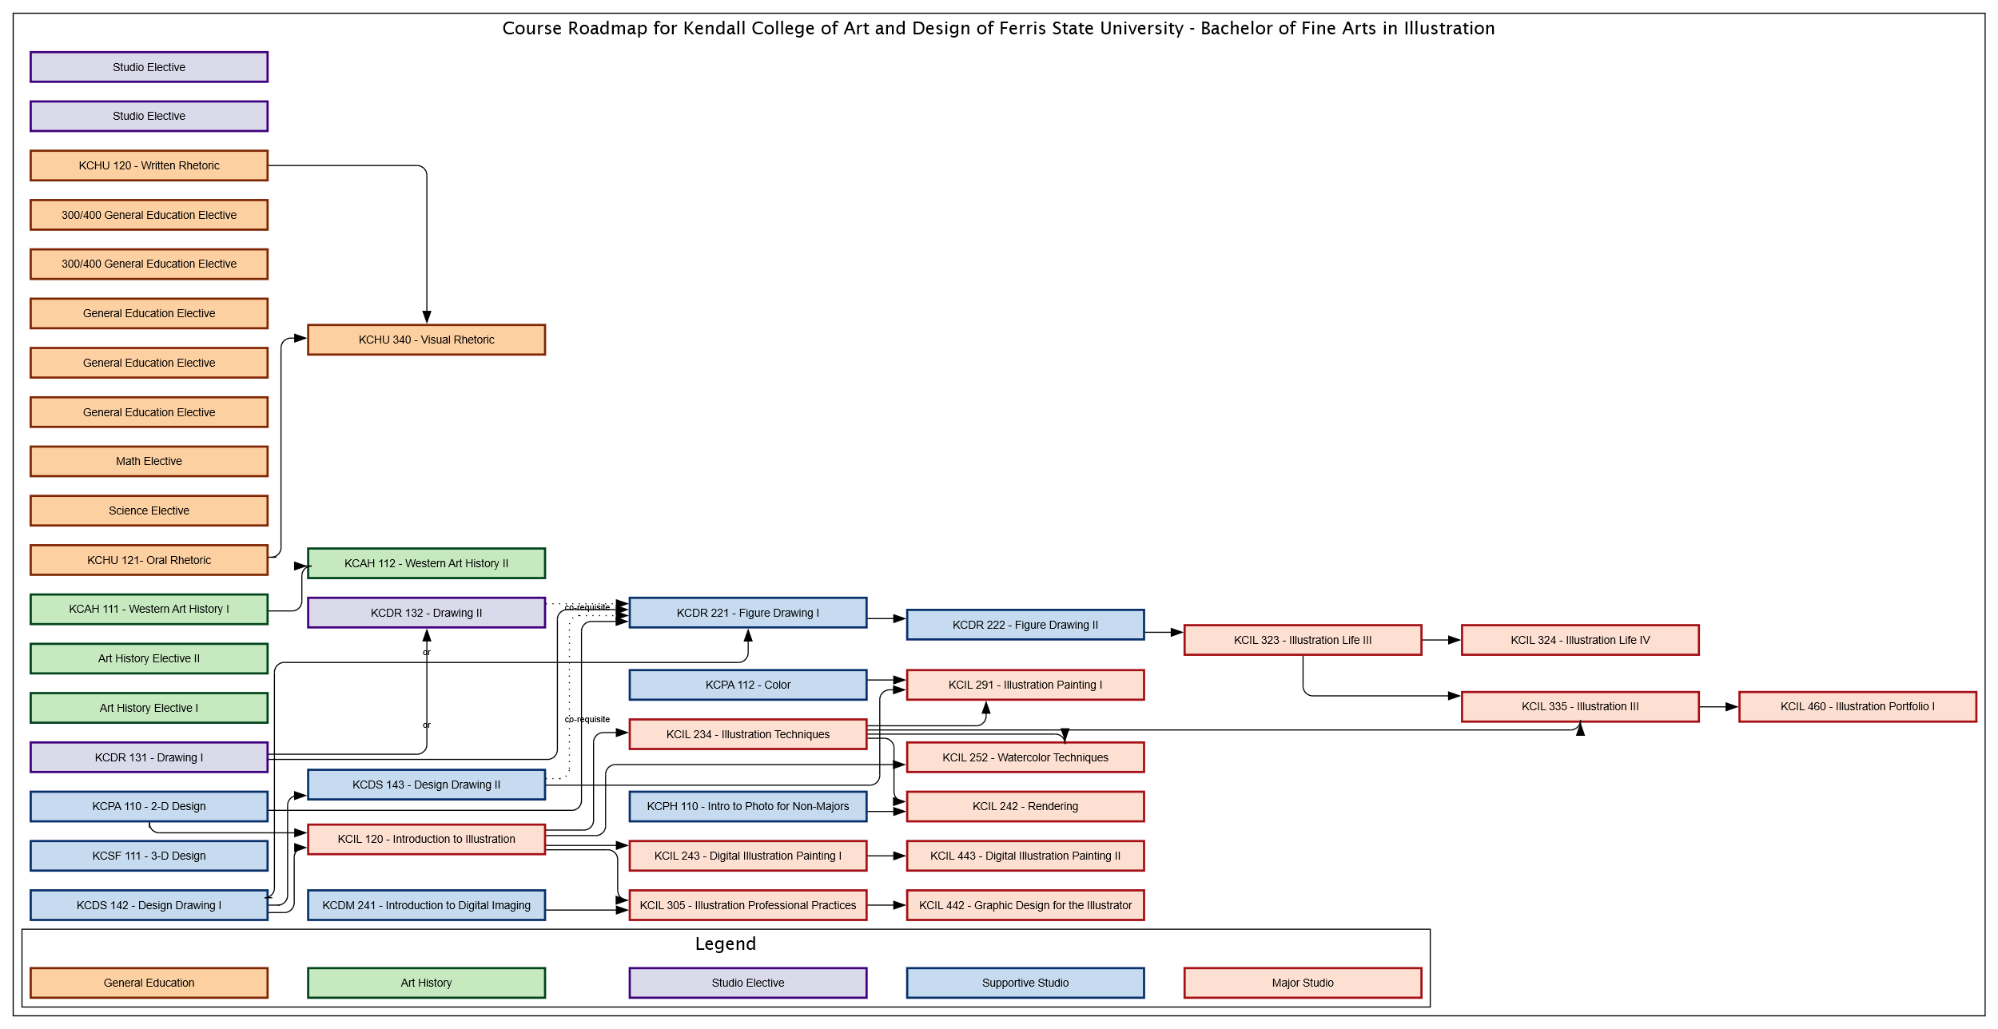

styles
Style Name | Style Format | Style Type | All Styles | No Clusters | No Edges
node |  | node | yes | yes | yes
edge |  | edge | yes | yes | no
subgraph-open |  | subgraph-open | yes | yes | yes | 
subgraph-close |  | subgraph-close | yes | no | yes
keyword |  | keyword | yes | yes | yes
native |  | native | yes | yes | yes
✎
Major Studio | colorscheme=reds9 color=8 shape=rect fixedsize=True height="0.375" width="3.00" penwidth="2.0" style=filled fillcolor=2 | node | yes | yes | yes
Supportive Studio | colorscheme=blues9 color=9 shape=rect fixedsize=True height="0.375" width="3.00" penwidth="2.0" style=filled fillcolor=3 | node | yes | yes | yes
Studio Electives | colorscheme=purples9 color=9 shape=rect fixedsize=True height="0.375" width="3.00" penwidth="2.0" style=filled fillcolor=3 | node | yes | yes | yes
Art History | colorscheme=greens9 color=9 shape=rect fixedsize=True height="0.375" width="3.00" penwidth="2.0" style=filled fillcolor=3 | node | yes | yes | yes
General Education | colorscheme=oranges9 color=9 shape=rect fixedsize=True height="0.375" width="3.00" penwidth="2.0" style=filled fillcolor=3 | node | yes | yes | yes
co-requisite | style=dotted radius=9 | edge | yes | yes | no
prerequisite | style=solid radius=9 | edge | yes | yes | no
Background Begin | fontname="Lucida Sans" fontsize=16 | subgraph-open | yes | no | yes | 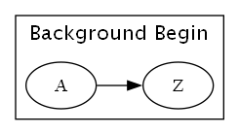
Background End |  | subgraph-close | yes | no | yes
Legend Begin | fillcolor=Moccasin style=filled | subgraph-open | yes | no | yes | 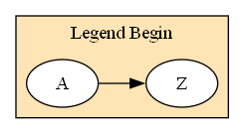
Legend End |  | subgraph-close | yes | no | yes

